Geometry Reference
This figure illustrates the default orientation of the building when the input "Building Orientation [deg]" = 0. The building facades FRONT, LEFT, BACK, and RIGHT are defined as shown. For "Building Orientation" values greater than 0, the building rotates counterclockwise as shown in the figure.
 | N | ^

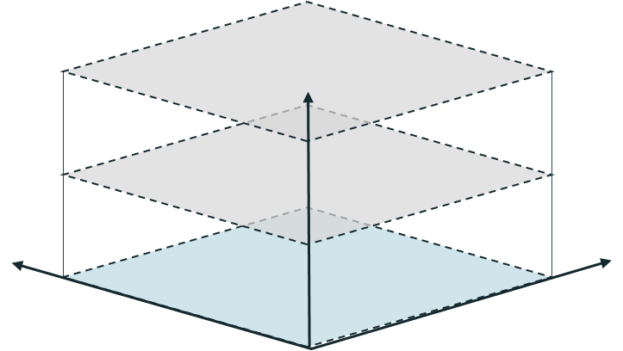

 |  |  |  | BACK

 |  | <---- Building Depth ---->
 |  |  |  | Building

Direction of positive building rotation.
 | LEFT |  |  |  | RIGHT

W |  |  |  |  |  | E
< |  |  |  |  |  | >
 |  |  | <----------- Building Width ----------->
The Conditioned Footprint Area is equal to the blue area shown here. It is the cross-sectional area of the building at grade, which for single-story buildings will typically be equal to the total conditioned square footage, but for multi-story buildings will not be equal to the total conditioned square footage.
Currently, REEDR models every building with a constant cross-sectional area. While this is a limitation, oftentimes building geometry can be approximated in such a manner. In addition, REEDR currently does not model attached garages or similar kinds of spaces.
The total conditioned envelope created by REEDR is then equal to:
Conditioned Footprint Area * Avg. Number of Stories * Avg. Height Per Story
 |  |  |  | FRONT
...

Drop_Down_Lists
Timesteps Per Hour | Weather File | Roof Pitch | Exterior Non-Foundation Wall Input Methd | Exterior Non-Foundation Wall Pre-Defined Constructions | Ceiling And Roof Input Methd | Ceiling And Roof Construction
1 | ------------------------- TMYx (2004-2018) -------------------------- | 1-12 (Almost Flat) | Pre-Defined Construction | ------ Wood-Framed 2x4, Studs 16 in On Center (OC) ------ | Pre-Defined Construction | Attic w R0 Cavity and Shingle Roof
2 | USA_WA_Tacoma-JB.Lewis-McChord-Gray.AAF.742070_TMYx.2004-2018 | 2-12 (Low Slope) | Overall Effective R-Value | Wood-Framed - 2x4 - 16 in OC - R-0 Cavity | Ceiling Overall Effective R-Value (Assumes Uninsulated Roof) | Attic w R30 Cavity and Shingle Roof
3 | USA_OR_Salem.Muni.AP-McNary.Field.726940_TMYx.2004-2018 | 4-12 (Low-Moderate Slope) |  | Wood-Framed - 2x4 - 16 in OC - R-11 Cavity |  | Attic w R38 Cavity and Shingle Roof
4 | USA_WA_Pasco-Tri.Cities.AP.727845_TMYx.2004-2018 | 6-12 (Moderate Slope) |  | Wood-Framed - 2x4 - 16 in OC - R-13 Cavity |  | Attic w R49 Cavity and Shingle Roof
5 | USA_OR_Baker.City.Muni.AP.726886_TMYx.2004-2018 | 8-12 (Moderate-High Slope) |  | Wood-Framed - 2x4 - 16 in OC - R-15 Cavity |  | Attic w R60 Cavity and Shingle Roof
6 | USA_ID_Coeur.dAlene.AP-Boyington.Field.727834_TMYx.2004-2018 | 10-12 (High Slope) |  | ------ Wood-Framed 2x6, Studs 24 in On Center (OC) ------
10 | USA_ID_Jerome.County.AP.726816_TMYx.2004-2018 | 12-12 (Very Steep Slope) |  | Wood-Framed - 2x6 - 24 in OC - R-0 Cavity
12 | USA_MT_Kalispell-Glacier.Park.Intl.AP.727790_TMYx.2004-2018 |  |  | Wood-Framed - 2x6 - 24 in OC - R-19 Cavity
Note: Only advanced users of REEDR should edit drop-down lists, as editing these lists often requires other edits elsewhere to fully implement a desired change. For example, if you add a new weather file to the list here, you must make sure that that weather file is available in the correct folder and format for REEDR to successfully run it.
Future documentation will be available to show users how to make such custom changes within REEDR.
15 | USA_ID_Craters.of.the.Moon.Natl.Monument.725790_TMYx.2004-2018 |  |  | Wood-Framed - 2x6 - 24 in OC - R-19 Cavity - R-10 Header
20 | USA_MT_Baker.Muni.AP.726777_TMYx.2004-2018 |  |  | Wood-Framed - 2x6 - 24 in OC - R-21 Cavity
30 | USA_OR_McMinnville.Muni.AP.726881_TMYx.2004-2018 |  |  | Wood-Framed - 2x6 - 24 in OC - R-21 Cavity - R-10 Header
60 | -------------------------------- TMY3 ---------------------------------
 | USA_ID_Boise.AP-Gowen.Field.ANGB.726810_TMY3
 | USA_ID_Idaho.Falls.Rgnl.AP-Fanning.Field.725785_TMY3
 | USA_ID_Lewiston-Nez.Perce.County.AP.727830_TMY3
 | USA_ID_Mountain.Home.AFB.726815_TMY3
 | USA_ID_Pocatello.Rgnl.AP.725780_TMY3
 | USA_ID_Salmon-Lemhi.County.AP.726865_TMY3
 | USA_ID_Soda.Springs-Tigert.AP.725868_TMY3
 | USA_ID_Twin.Falls-Magic.Valley.Rgnl.AP-Joslin.Field.725866_TMY3
 | USA_MT_Billings.Logan.Intl.AP.726770_TMY3
 | USA_MT_Cut.Bank.Intl.AP.727690_TMY3
 | USA_MT_Great.Falls.Intl.AP.727750_TMY3
 | USA_MT_Helena.Rgnl.AP.727720_TMY3
 | USA_MT_Kalispell-Glacier.Park.Intl.AP.727790_TMY3
 | USA_MT_Lewistown.Muni.AP.726776_TMY3
 | USA_MT_Livingston-Mission.Field.AP.726798_TMY3
 | USA_MT_Missoula.Intl.AP.727730_TMY3
...

